Cover Page
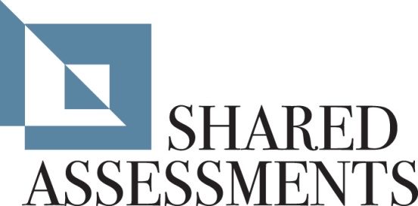
 | Dashboard | % Comp | 0
 | Terms Of Use | N/A
 | Business Information | 100%
 | Documentation Request List | N/A
 | SIG Lite | 100%
 | Z. Additional Questions | N/A
 | Glossary | N/A
The Santa Fe Group | Version History | N/A
Standardized Information Gathering (SIG) Questionnaire Lite Only | Formula Notes | N/A
Version 7.0 | Full | N/A
Released: December 2011 | SIG Total | 100%

http://www.sharedassessments.org | Response Cell Background Color Coding (All tabs) | Resp
sharedassessments@santa-fe-group.com | Response Required (cells with a blue background are editable)
 | Yes Response | Yes
Instructions | No Response | No
 | N/A Response | N/A
There are three parts to this questionnaire: | Top of table (no response required)
Part I. - Business Info - To be completed by 3rd Party
Part II. - Documentation - Requested Information to be returned by 3rd Party
Part III. - 3rd Party Initial - To be completed by 3rd Party

Additional Notes:
Please follow the instructions below to complete the SIG Lite

SIG Lite
1) Complete the "Business Information" tab.
2) Compile all documentation requested on the "Documentation" tab.
3) Answer all of the questions on the "SIG Lite" tab by selecting "Yes," "No" or
N/A from the drop-down menu.
4) Use the "Additional Information" field to provide any pertinent information.
(An explanation is required for "N/A" responses.)
5) Answer questions on the "Additional Questions" tab (tab M) only if additional
questions have been inserted.

